Instructions
Step-by-Step Guide to Determining Fleet Average throughout the Contract Period
2023 SOON Fleet Compliance Plan

1. Provide fleet information in columns 1 through 6 using information provided in DOORS.
2. Toggle "Yes" for units that are or will be funded with SOON funding (ie. if the engine is currently under an existing SOON contract OR if the engine is in your current application, toggle to "Yes")
3. If fleet average is not meeting fleet target, retire or place units in Permanent Low-Use until enough BACT Credits have been accumulated for each year by providing information in columns 6 through 7.
4. Other than the equipment toggled "Yes" for SOON, please list the new equipment to be added throughout the 2023 through 2033 timeframe should be indicated in columns 6 through 7

DISCLAIMER: According to the In-Use Off-Road Diesel-Fueled Fleet Regulation, "During the contract period, vehicles… that have been replaced using SOON program funding, cannot use this lower emission rate to calculate the fleet average index and target rate, and BACT credit.. These vehicles must be reflected
as if the actions taken under the SOON program did not occur." (2449.2(e)(1)(B)). With this being said, there is an emphasis on:

A. Being able to meet/surpass compliance first
B. Having the ability to place part of the fleet into SOON even though the equipment under SOON can only remain at the original tier and HP before falling out of contract

5. For Units toggled "Yes" for SOON funding, please retire at the end of contract term agreement
 | For new units (in your 2023 application)*:
 | - | Retire in 2029 for Replacement (5 Year Project Life)
 | - | Retire in 2031 for Repower (7 Year Project Life)
 |  | - | *Depending on type of equipment, retirement year will vary. Please contact South Coast AQMD staff for assistance.
 | IF you already posses a contract, please contact your South Coast AQMD Project Officer if you do not know when your old contract end year will be

6. After Retiring your unit, please place your new SOON Replacement or Repower information at end of fleet list
 | The "New" engine or equipment will be available for Fleet average calculations in the same year the old units under SOON are retired
 | - | New in 2029 for Replacement
 | - | New in 2031 for Repower
7. Please retire or place equipment in low-use until "Compliance has been met" and "BACT Credit is satisfied" from 2024 til the end of the contract period.

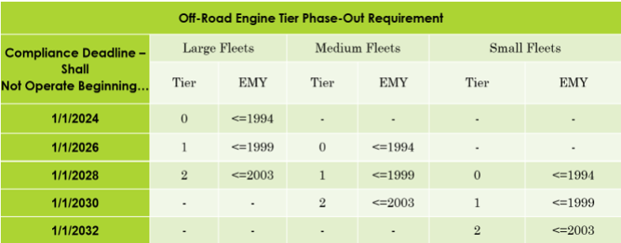
8 Please note the Engine Tier Phase-Out Requirement and Engine Tier Bans due to the Off-Road Regulation Amendment in November 2022. Please ensure to adjust the Compliance Plan accordingly (for example, in all Tier 0 units for large fleets must be "Retired", in "2026" all Tier 1 units must be "Retire"

The units removed phased out from your fleet will count towards BACT Credits and rollover BACT Credits to help meet compliance

Starting 2023, the following tiers are not allowed to be added into the fleet

You will only be able to add the cleanest technology commercially available (Tier 4 Final or cleaner)

